Sheet2
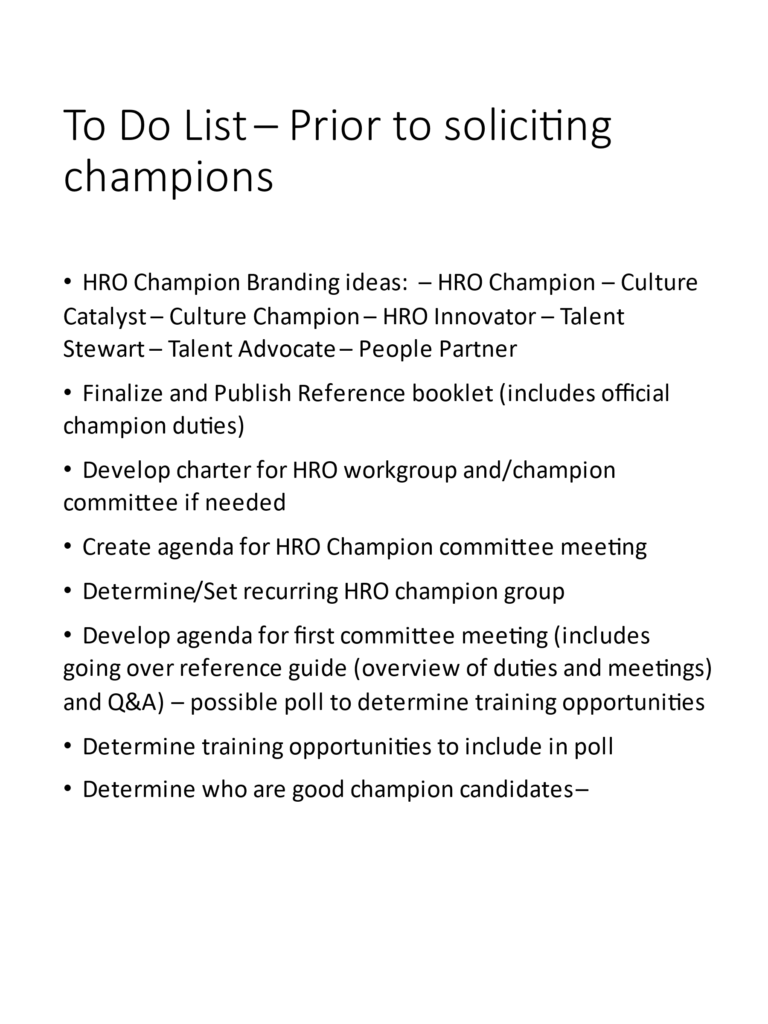
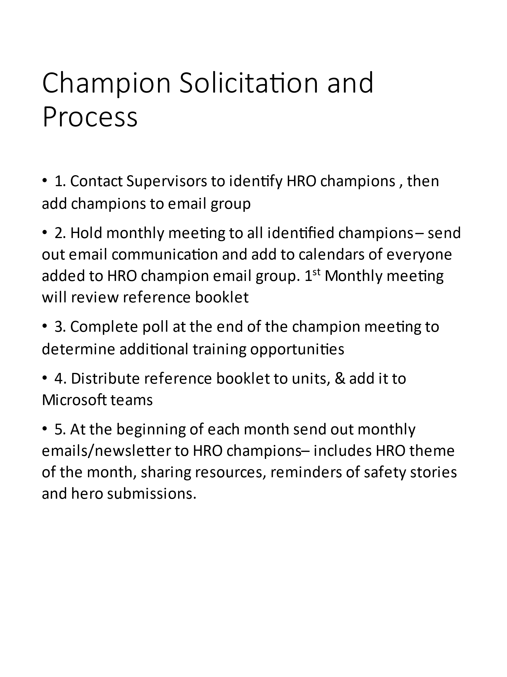

1. Develop a charter
2. Develop Meeting Agenda / Template for Minutes
3. Publish copies of reference guide
4. After June 28th, round dropping off booklets and soliciting more
5. Forward meeting maker for Champion meeting
6. Planner for upcoming educational activities

